REBA Calculator
Clear Page
Rapid Entire Body Assessment Calculator

NECK, TRUNK AND LEG ANALYSIS |  |  | ARM AND WRIST ANALYSIS
Neck | Is neck twisted or side bending? |  | Upper Arm | Is shoulder raised? | Is upper arm abducted? | Is arm supported / person leaning? | Upper Arm Score

Trunk | Is trunk twisted or side bending? |  | Lower Arm |  |  |  | Lower Arm Score

Legs |  | Leg Adjustment | Wrist | Is wrist bent from midline or twisted? |  |  | Wrist Score

Force/Load | Is there shock or rapid build up of force? |  | Coupling |  |  |  | Coupling Score

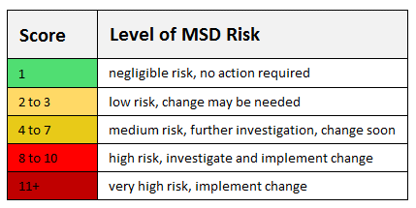
ACTIVITY SCORE |  |  | RESULTS

Are 1 or more body parts held for longer than 1 minute (static)? |  |  | = REBA Score

Are there repeated small range action (more than 4x per minute)?

Is there action that causes rapid large range changes in posture / unstable base?

